Bug report 1
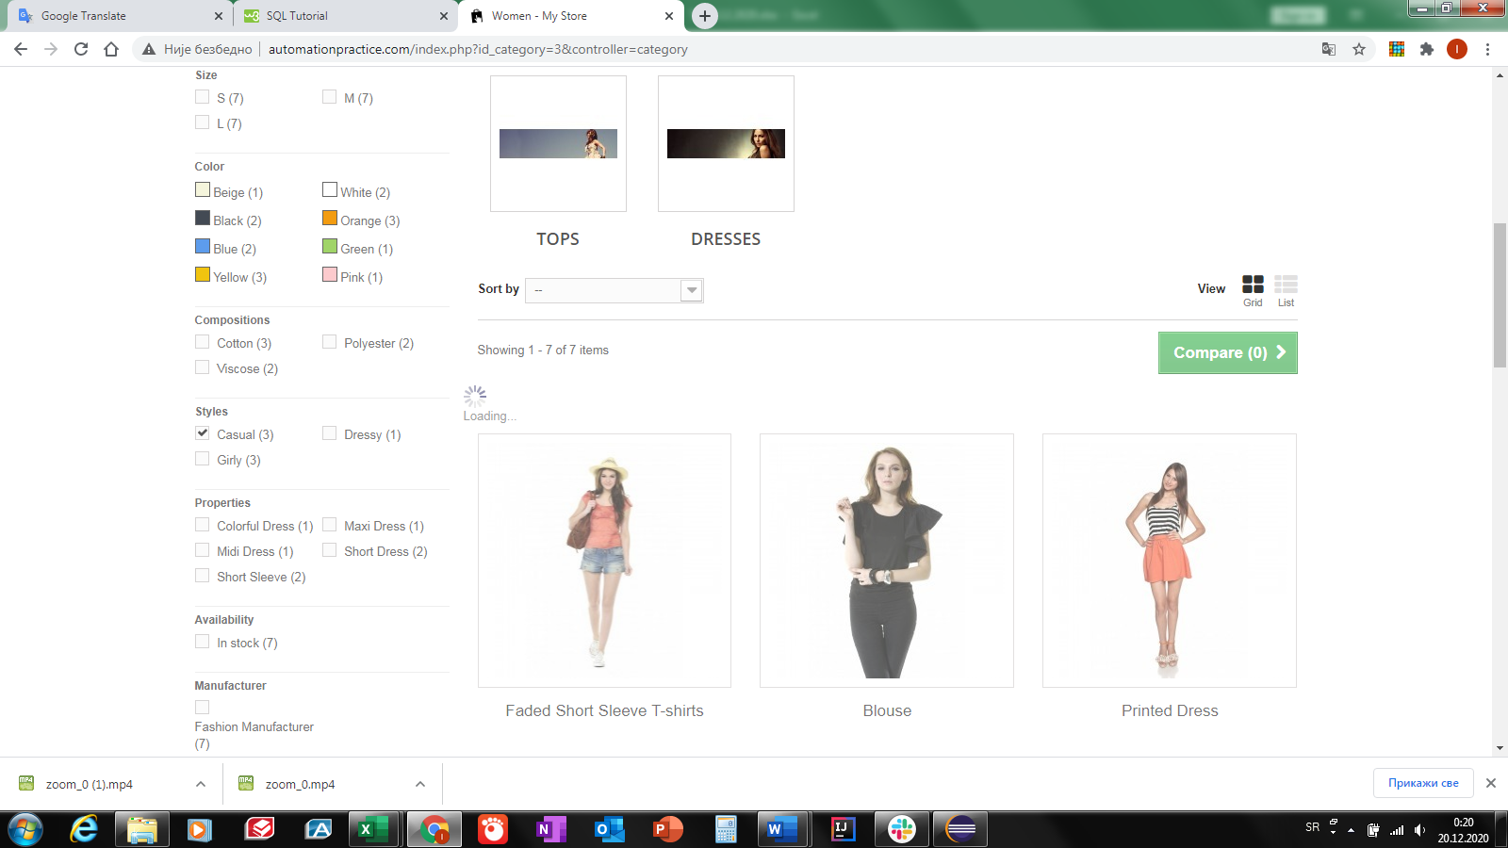
Bug ID | Bug name | Description | Steps to reproduce | Expected result | Actual result | Screenshot | Assign to | Repro rate | Priority | Severity
Bug report 1 | Filters in Catalog section do not work | When choosing filters in Catalog none of filters are loaded, the page freezes, also "bread crumbs" does not work | Open browser Chrome version 87.0.4280.88 (64-byt) | Chrome opens |  |  | Product manager | always | high | low
 |  |  | Go to URL http://automationpractice.com/ | Home page opens
 |  |  | Click on the Women link | Women page opens
 |  |  | In Catalog section check the box for Dresses | Only dresses are selected in selection | loading sign is displayed but it does not show result
 |  |  | Click Women button in "bread crumbs" | go back to the Women page | "bread crumbs" does not work
 |  |  | Click on the Women link | Women page opens
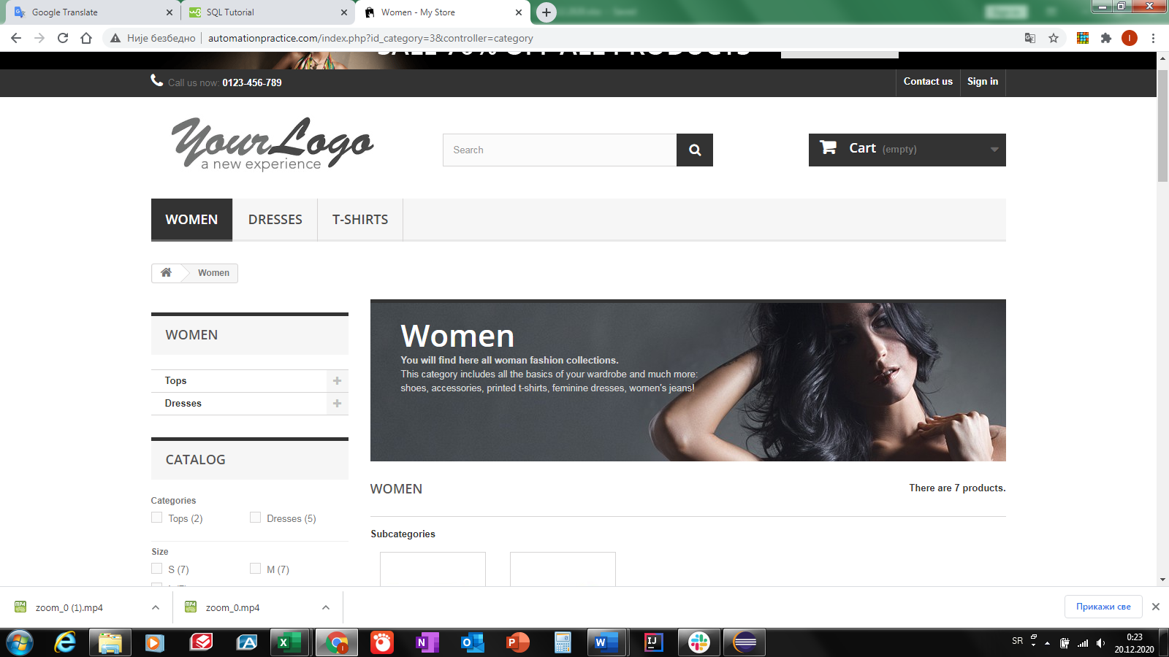
 |  |  | In Catalog section Categories subsection check the box for Tops | Only tops are selected in selection | loading sign is displayed but it does not show result
 |  |  | Click Women button in "bread crumbs" | go back to the Women page | "bread crumbs" does not work
 |  |  | Click on the Women link | Women page opens
 |  |  | In Catalog section in Categories subsection check the box for Tops | Only tops are selected in selection | loading sign is displayed but it does not show result
 |  |  | Click on the Women link | Women page opens
 |  |  | In Size section in Categories subsection check the box for S | Shows only products available in S size | loading sign is displayed but it does not show result
 |  |  | Click Women button in "bread crumbs" | go back to the Women page | "bread crumbs" does not work
 |  |  | Click on the Women link | Women page opens
 |  |  | In Size section in Categories subsection check the box for M | Shows only products available in M size | loading sign is displayed but it does not show result
 |  |  | Click Women button in "bread crumbs" | go back to the Women page | "bread crumbs" does not work
 |  |  | Click on the Women link | Women page opens
 |  |  | In Size section in Categories subsection check the box for L | Shows only products available in L size | loading sign is displayed but it does not show result
 |  |  | Click Women button in "bread crumbs" | go back to the Women page | "bread crumbs" does not work
 |  |  | Click on the Women link | Women page opens
 |  |  | In Color section in Categories subsection check the box for Beige color | Shows only products available in beige color | loading sign is displayed but it does not show result
 |  |  | Click Women button in "bread crumbs" | go back to the Women page | "bread crumbs" does not work
 |  |  | Click on the Women link | Women page opens
 |  |  | In Color section in Categories subsection check the box for White color | Shows only products available in white color | loading sign is displayed but it does not show result
 |  |  | Click Women button in "bread crumbs" | go back to the Women page | "bread crumbs" does not work
 |  |  | Click on the Women link | Women page opens
 |  |  | In Color section in Categories subsection check the box for Black color | Shows only products available in black color | loading sign is displayed but it does not show result
 |  |  | Click Women button in "bread crumbs" | go back to the Women page | "bread crumbs" does not work
 |  |  | Click on the Women link | Women page opens
 |  |  | In Color section in Categories subsection check the box for Orange color | Shows only products available in orange color | loading sign is displayed but it does not show result
 |  |  | Click Women button in "bread crumbs" | go back to the Women page | "bread crumbs" does not work
 |  |  | Click on the Women link | Women page opens
 |  |  | In Color section in Categories subsection check the box for Blue color | Shows only products available in blue color | loading sign is displayed but it does not show result
 |  |  | Click Women button in "bread crumbs" | go back to the Women page | "bread crumbs" does not work
 |  |  | Click on the Women link | Women page opens
 |  |  | In Color section in Categories subsection check the box for Green color | Shows only products available in green color | loading sign is displayed but it does not show result
 |  |  | Click Women button in "bread crumbs" | go back to the Women page | "bread crumbs" does not work
 |  |  | Click on the Women link | Women page opens
 |  |  | In Color section in Categories subsection check the box for Yellow color | Shows only products available in yellow color | loading sign is displayed but it does not show result
 |  |  | Click Women button in "bread crumbs" | go back to the Women page | "bread crumbs" does not work
 |  |  | Click on the Women link | Women page opens
 |  |  | In Color section in Categories subsection check the box for Pink color | Shows only products available in pink color | loading sign is displayed but it does not show result
 |  |  | Click Women button in "bread crumbs" | go back to the Women page | "bread crumbs" does not work
 |  |  | Click on the Women link | Women page opens
 |  |  | In Compositions section in Categories subsection check the box for Cotton | Shows only products available that are made from cotton | loading sign is displayed but it does not show result
 |  |  | Click Women button in "bread crumbs" | go back to the Women page | "bread crumbs" does not work
 |  |  | Click on the Women link | Women page opens
 |  |  | In Color section in Categories subsection check the box for Polyester | Shows only products available that are made from polyester | loading sign is displayed but it does not show result
 |  |  | Click Women button in "bread crumbs" | go back to the Women page | "bread crumbs" does not work
 |  |  | Click on the Women link | Women page opens
 |  |  | In Color section in Categories subsection check the box for Viscose | Shows only products available that are made from viscose | loading sign is displayed but it does not show result
 |  |  | Click Women button in "bread crumbs" | go back to the Women page | "bread crumbs" does not work
 |  |  | Click on the Women link | Women page opens
 |  |  | In Styles section in Categories subsection check the box for Casual | Shows only products available that are in casual style | loading sign is displayed but it does not show result
 |  |  | Click Women button in "bread crumbs" | go back to the Women page | "bread crumbs" does not work
 |  |  | Click on the Women link | Women page opens
 |  |  | In Styles section in Categories subsection check the box for Dressy | Shows only products available that are in dressy style | loading sign is displayed but it does not show result
 |  |  | Click Women button in "bread crumbs" | go back to the Women page | "bread crumbs" does not work
 |  |  | Click on the Women link | Women page opens
 |  |  | In Styles section in Categories subsection check the box for Girly | Shows only products available that are in girly style | loading sign is displayed but it does not show result
 |  |  | Click Women button in "bread crumbs" | go back to the Women page | "bread crumbs" does not work
 |  |  | Click on the Women link | Women page opens
 |  |  | In Properties section in Categories subsection check the box for Colorful Dress | Shows only products that are colorful dress | loading sign is displayed but it does not show result
 |  |  | Click Women button in "bread crumbs" | go back to the Women page | "bread crumbs" does not work
 |  |  | Click on the Women link | Women page opens
 |  |  | In Properties section in Categories subsection check the box for Maxi Dress | Shows only products that are maxi dress | loading sign is displayed but it does not show result
 |  |  | Click Women button in "bread crumbs" | go back to the Women page | "bread crumbs" does not work
 |  |  | Click on the Women link | Women page opens
 |  |  | In Properties section in Categories subsection check the box for Midi Dress | Shows only products that are midi dress | loading sign is displayed but it does not show result
 |  |  | Click Women button in "bread crumbs" | go back to the Women page | "bread crumbs" does not work
 |  |  | Click on the Women link | Women page opens
 |  |  | In Properties section in Categories subsection check the box for Short Dress | Shows only products that are short dress | loading sign is displayed but it does not show result
 |  |  | Click Women button in "bread crumbs" | go back to the Women page | "bread crumbs" does not work
 |  |  | Click on the Women link | Women page opens
 |  |  | In Properties section in Categories subsection check the box for Short Sleeve | Shows only products that are short sleeve | loading sign is displayed but it does not show result
 |  |  | Click Women button in "bread crumbs" | go back to the Women page | "bread crumbs" does not work
 |  |  | Click on the Women link | Women page opens
 |  |  | In Availability section in Categories subsection check the box for In Stock | Shows only products that are in stock | loading sign is displayed but it does not show result
 |  |  | Click Women button in "bread crumbs" | go back to the Women page | "bread crumbs" does not work
 |  |  | Click on the Women link | Women page opens
 |  |  | In Manufacturer section in Categories subsection check the box for Fashion Manufacturer | Shows only products from selected manufacturer | loading sign is displayed but it does not show result
 |  |  | Click Women button in "bread crumbs" | go back to the Women page | "bread crumbs" does not work
 |  |  | Click on the Women link | Women page opens
 |  |  | In Condition section in Categories subsection check the box for New | Shows only products that are new | loading sign is displayed but it does not show result
 |  |  | Click Women button in "bread crumbs" | go back to the Women page | "bread crumbs" does not work
 |  |  | Click on the Women link | Women page opens
 |  |  | In Price section in Categories subsection move slider for price range $24.14 - $46.71 | Shows only products in selected price range | loading sign is displayed but it does not show result

